Software Interfaces
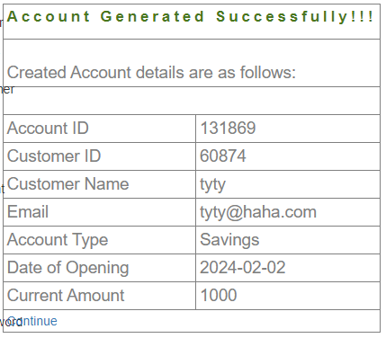
 | Mini Statement | Balance Enquiry
 | Get last 5 transaction details from server | Get Balance from User Account
Output Format | JSON | JSON
API call category | User | User
API Request | http://demo.guru99.com/V3/sinkministatement.php?CUSTOMER_ID=60874&PASSWORD=1+2&Account_No=131869 | http://demo.guru99.com/V3/sinkbalanceenquiry.php?CUSTOMER_ID=60874&PASSWORD=1+2&Account_No=131869
Input Parameter | CustomerID - User’s customer id Password - Users’ password AccountNumber - Account Number for which statements are required | CustomerID - User’s customer id Password - Users’ password AccountNumber - If user enters Account_No then display balance for account associate with Account_No - If user not enters Account_No then display balance for all account associated with it.
Response | {" result": { "Statements":[ {" Transaction ID":123, "Amount":"10000", "Transaction Type":"W", "ACCOUNT_NO":"123", "Date of Transaction":"2013-10-01", "Description":"Self" }, {" Transaction ID":142, "Amount":"10000", "Transaction Type":"d", "ACCOUNT_NO":"123", "Date of Transaction":"2013-10-09", "Description":"Self" }, {" Transaction ID":1111, "Amount":"700", "Transaction Type":"d", "ACCOUNT_NO":"123", "Date of Transaction":"2013-15-09", "Description":"Self" }, {"Transaction ID":148, "Amount":"7000", "Transaction Type":"d", "ACCOUNT_NO":"123", "Date of Transaction":"2013-17-09", "Description":"Self" }, {" Transaction ID":158, "Amount":"5500", "Transaction Type":"d", "ACCOUNT_NO":"123", "Date of Transaction":"2013-18-09", "Description":"Self" }] }, "message": {" ErrorCode":0, "ErrorMsg":"error message" } } | {" result": { "Balance":[ {" ACCOUNT_NO":123, "ACCOUNT_TYPE":"Saving", "BALANCE":"10000" }, {" ACCOUNT_NO":256, "ACCOUNT_TYPE":"Current", "BALANCE":"50000" }, {" ACCOUNT_NO":298, "ACCOUNT_TYPE":"saving", "BALANCE":"20" }] }, "message": {" ErrorCode":0, "ErrorMsg":"error message" } }

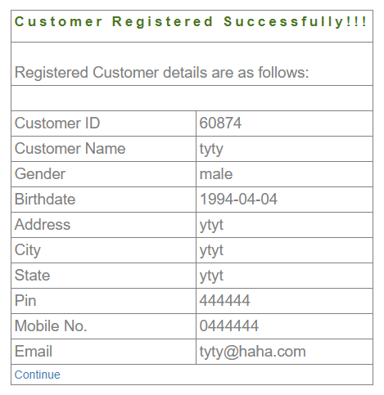
 |  |  | Error Code Table
 |  |  | Error Code # | Error Code Message
 |  |  | 0 | Success
 |  |  | 1 | NoData
 |  |  | 2 | Connection Issue
 |  |  | 3 | Login Credentials Incorrect

 |  |  | Account ID | 131869
 |  |  | Customer ID | 60874
 |  |  | Password | 1+2

